1
$$Q_{tot}=Q_{WW}+Q_{c}+Q_{P}$$
$$Q_{tot}=Q_{WW}+Q_{c}+Q_{P}$$
Project |  |  |  |  | 2025-05-05
Location
Calculation of wastewater discharge DIN EN 12056-2 (01/2001)

Qtot [l/s] | Total wastewater discharge
QWW [l/s] | Waste water flow
QC[l/s] | Permanent drain
$$Q_{WW}=K⋅\sqrt{DU}$$
$$Q_{WW}=K⋅\sqrt{DU}$$
QP[l/s] | Pump flow rate

Drainage object System I DIN EN 12056-2 |  |  |  | Anzahl | DU [l/s] | Nennweite DIN 1986-100 (2016/09) | Summe [l/s]

Washbasin, bidet |  |  |  | 10 | 0,5 | DN 40 | 5
Shower without stopper |  |  |  |  | 0,6 | DN 50
Shower with stopper |  |  |  |  | 0,8 | DN 50
Single urinal with cistern |  |  |  |  | 0,8 | DN 50
Single urinal with flush valve |  |  |  |  | 0,5 | DN 50
Stand urinal |  |  |  | 1 | 0.2 | DN 50 | 0.2
Urinal without flushing (DIN1986-100 2016/12) |  |  |  | 10 | 0.1 | DN 50 | 1
Bathtub |  |  |  |  | 0,8 | DN 50
Kitchen sink and dishwasher with common odor trap (DIN1986-100 2016/12) |  |  |  | 10 | 0.8 | DN 50 | 8

Kitchen sink, sink unit |  |  |  |  | 0,8 | DN 50
Dishwasher |  |  |  |  | 0,8 | DN 50
Washing machine up to 8 kg |  |  |  |  | 0,8 | DN 50
Washing machine up to 12 kg |  |  |  |  | 1,5 | DN 56/60
WC with 4.0/4.5 l cistern |  |  |  | 1 | 1.8 | DN 80/90 | 1.8
WC with 6.0 l cistern/pressure flush valve |  |  |  |  | 2,0 | DN 80 / DN 100

WC with 7.5 l cistern/flush valve 2.0 see note |  |  |  |  | 2,0 | Siehe Anmerkung

WC with 9.0 l cistern/pressure flush valve |  |  |  |  | 2,5 | DN 100
Floor drain DN 50 |  |  |  | 1 | 0,8 | DN 50 | 0.8
Floor drain DN 70 |  |  |  | 1 | 1,5 | DN 70 | 1.5
Floor drain DN 100 |  |  |  | 1 | 2,0 | DN 100 | 2
In system III, the values depend on the toilet type (valid only for drainage toilets) 4 l (1.2 to 1.7),7.5 l (1.4 to 1.8),9 l (1.6 to 2.0) the values can be changed in the form. NOTE from DIN 1986-100 (2016/ 12)Toilets with 7.5 l flushes are not common within the scope of this standard. For this reason, no nominal diameter for the individual connection pipe has been assigned to the drainage object in the table. The same connection values can be used for toilet systems with flush valves as for systems with cisterns. Due to current developments, design rules for lavatory systems with a flush water volume of 4.0 l to 4.5 l have been included in System I. Tests have shown that lavatory systems suitable for 4.0 l to 4.5 l and for 6 l flush water volume can be connected with nominal widths of DN 80 (di,min = 75 mm) or DN 90 (di,min = 79 mm).

 |  |  |  |  | Total | 20.3 | [l/s]

Select building type and use |  |  |  |  |  | K
Irregular use, e.g. in residential buildings, retirement homes, guest houses, offices |  |  |  |  |  | 0.5

 |  |  |  |  | QWW | 2.25 | [l/s]

If the value of the calculated wastewater dischargeQww is less than the connected load DU of the largest individual drainage object connected, its DU value shall apply.

Connected load of the largest drainage object |  |  |  |  | QDU |  | [l/s]
$$Q_{c}$$
 | QC [l/s] | Permanent drain
 |  | e.g. condensate from condensing boilers; steam boiler systems; refrigeration systems

Length of drainage in [m] |  |  |  |  | QCDrainage | 0.00 | [l/s] | 0.00
Liter per m length |  | 20 | [l/m*h] | 20 [l/m*h] Experience value

Condensate 1 |  |  | [l/s] |  | QC1 | 0.00 | [l/s] | 0.0000

Light liquid separator. |  |  | [l/s] |  | QC2 | 0.00 | [l/s] | 0.0000

Greassep. |  |  | [l/s] |  | QC3 | 0.00 | [l/s] | 0.0000

$$Q_{P}$$
 | [l/s] | Pump flow rate
 |  | from other lifting systems

Pump 1 |  |  | [l/s] |  | QP1 | 0.00 | [l/s] | 0

Pump 2 |  |  | [l/s] |  | QP2 | 0.00 | [l/s] | 0

Pump 3 |  |  | [l/s] |  | QP3 | 0.00 | [l/s] | 0
$$Q_{tot}$$
 |  |  |  |  |  | 2.25 | [l/s]

 |  |  |  |  |  | 8.11 | [m3/h]

2
$$Q_{R}=r_{(D,T)}⋅c⋅A⋅\frac{1}{{10}^{4}}$$
Project |  |  |  | 2025-05-05
Location
Calculation of rainwater runoff in accordance with DIN1986-100(12/2016) for properties with a paved area of up to 60 ha for wastewater lifting stations

QR[l/s] | Rainwater runoff
r(D,T) [l/(s*ha)] | Donation on account | D = Duration in min. |  | T = annuality
C | Discharge coefficient
A [m2] | Effective precipitation area projected on the ground plan
Location of the drainage system
select |  | r(5,100) [l/(s*ha)] | r(5,30) [l/(s*ha)] | r(2,5) [l/(s*ha)]

Location of the drainage system |  | r(5,100) [l/(s*ha)] | r(5,30) [l/(s*ha)] | r(2,5) [l/(s*ha)]

Rainwater volume below the backflow level endangering buildings and material assets Wastewater lifting units that drain areas below the backflow level that could endanger buildings or other material assets in the event of flooding must be dimensioned in accordance with DIN EN 12056-4 so that no damage can occur in the event of a one-in-a-century rainfall event r(5,100). These areas include, for example, house entrances, basement entrances, garage entrances and inner courtyards.

Assign area name |  | Select the type of drainage area
Length a [m] |  | Flat roof pitch up to 3° or approx. 5 %-Metal, glass, fiber cement
Width b [m]
C1 | 1
A [m2] | 0.00
Q1 [l/s] |  |  | [m3/h] |  | r(5,100) [l/(s*ha)]

Assign area name |  | Select the type of drainage area
Length a [m] |  | Pitched rooftiles, waterproofing membranes
Width b [m]
C2 | 1
A [m2] | 0.00
Q2 [l/s] |  |  | [m3/h] |  | r(5,100) [l/(s*ha)]

Assign area name |  | Select the type of drainage area
Length a [m] |  | Flat roof pitch up to 3° or approx. 5 %-Gravel filling
Width b [m]
C3 | 0.8
A [m2] | 0.00
Q3 [l/s] |  |  | [m3/h] |  | r(5,100) [l/(s*ha)]
b For these areas, a possible higher runoff contribution must be checked for the flooding verification depending on the local conditions (e.g. gradient, soil, vegetation).
QR [l/s] |  |  | [m3/h]

Rainwater volume below the backflow level, without endangering buildings and property
For large areas below the backflow level that do not endanger buildings or material assets, proof of flooding must be provided with the minimum 30-year rainfall event in 5 min (r(5.30)). In these cases, the sewage lifting station must be dimensioned at least for the 5-minute rainfall event that can occur once every two years (r(5.2)).

Assign area name |  | Select the type of drainage area
Length a [m] |  | Pitched rooftiles, waterproofing membranes
Width b [m]
C1 | 1
A [m2] | 0.00
Q1 [l/s] |  |  | [m3/h] |  | r(2,5) [l/(s*ha)]

Assign area name |  | Select the type of drainage area
Length a [m] |  | Pitched roof -metal, glass, slate, fiber cement
Width b [m]
C2 | 1
A [m2] | 0.00
Q2 [l/s] |  |  | [m3/h] |  | r(2,5) [l/(s*ha)]

Assign area name |  | Select the type of drainage area
Length a [m] |  | Flat roof pitch up to 3° or approx. 5 %-Metal, glass, fiber cement
Width b [m]
C3 | 1
A [m2] | 0.00
Q3 [l/s] |  |  | [m3/h] |  | r(2,5) [l/(s*ha)]
b For these areas, a possible higher runoff contribution must be checked for the flooding verification depending on the local conditions (e.g. gradient, soil, vegetation).
QR [l/s] |  |  | [m3/h]

3
Project |  |  |  | 2025-05-05
Location
Head calculation DIN EN12056-4 (01/2001)

Flow rate Q head [m3/h] |  |  | 23

Select piping material |  | Select nominal width
Plastic PE-HD DIN 8077 PN10 |  | DN100 |  |  | Flow velocity [m/s]
 |  |  |  |  | 0,7 - 2,3
Inner diameterdi [mm] |  | Outer diameterda [mm] |  |  | Flow velocity [m/s]
102.2 |  | 125.0 |  |  | 0.8

Pressure loss in meters per meter of pipe [m/m] |  |  |  |  |  | 0.008

Length of the pressure pipe to the backflow loop [m] |  |  |  |  |  | 100

Pressure loss of the pipeline |  |  |  |  | HV,R[m] | 0.82

Pressure loss of fittings and molded parts
Type of individual resistor |  |  | ζ | Anzahl | Σζ | HV,A[m]
Gatevalve1 |  |  | 0.3 | 4 | 1.2 | 0.04
Backflowpreventer1 |  |  | 2.2 | 1 | 2.2 | 0.07
Elbow 90° |  |  | 0.5 | 5 | 2.5 | 0.08
Bow 45° |  |  | 0.3 |  | 0 | 0.00
Free outlet |  |  | 1 | 1 | 1 | 0.03
T-piece 45° passage for current unification |  |  | 0.3 |  | 0 | 0.00
T-piece 90° passage for current unification |  |  | 0.5 |  | 0 | 0.00
T-piece 45° branch for power connection |  |  | 0.6 |  | 0 | 0.00
T-piece 90° branch for power connection |  |  | 1 |  | 0 | 0.00
T-piece 90 counterflow |  |  | 1.3 |  | 0 | 0.00
Cross-section extension |  |  | 0.3 |  | 0 | 0.00
- Self-deflating resistor - |  |  |  |  | 0 | 0.00
- Self-deflating resistor - |  |  |  |  | 0 | 0.00
1Manufacturer's instructions should be used
 |  |  |  | Σζ | 6.9
Pressure loss of fittings and built-in parts |  |  |  |  | ΣHV,A[m] | 0.21

$$H_{V}=H_{V,R}+H_{V,A}$$
Dynamic pressure losses |  |  |  |  | HV [m] | 1.03
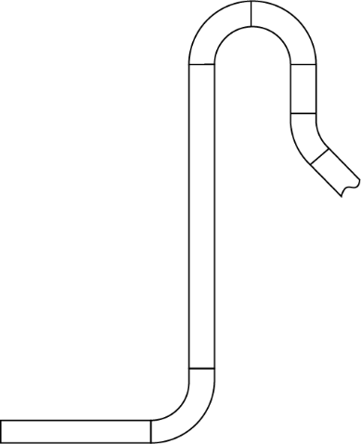

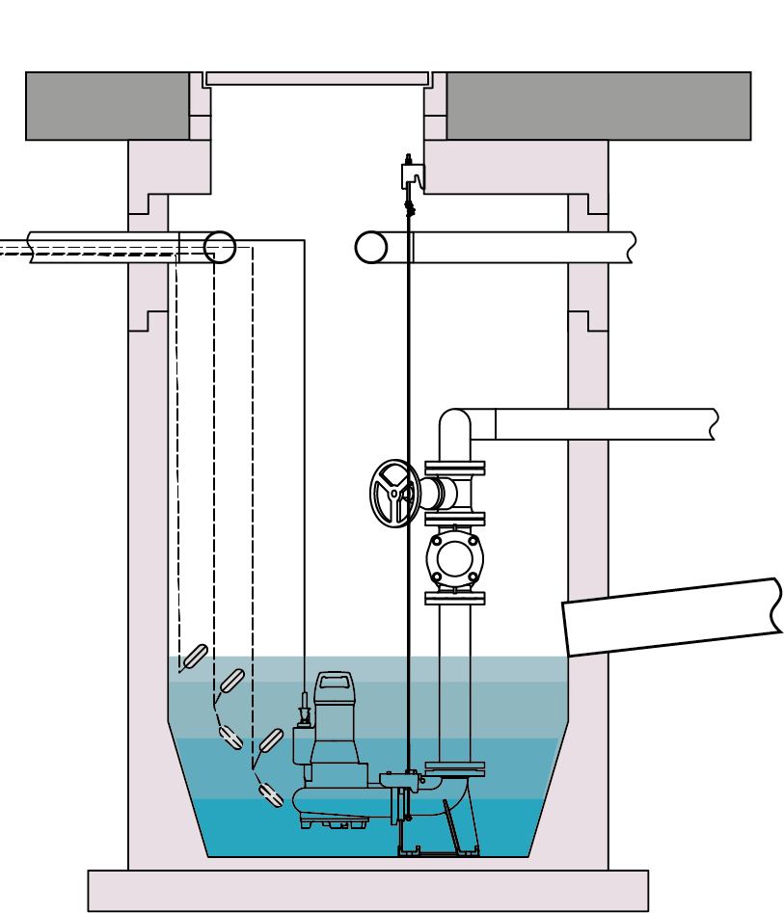
 |  |  |  | Geodetic | Hgeo [m] | 6
 |  |  |  | height

$$H_{tot}=H_{V}+H_{geo}$$
Total head |  |  |  |  | Htot[m] | 7.03

Shaft planning (please use the data from above to design the pump(s), including the type of installation)

Select number of pumps |  |  |  |  |  | 2
Single pump operation or reserve pump operation (2 x 100%) |  |  |  |  |  | x
Peak load operation (2 x 50%) |  |  |  |  |  | -

Dimensions and data from the pump data sheets
Pump width
 |  | Pump width of a pump [mm] |  |  |  | 300

 |  | Lowest switch-off point in automatic mode [mm] |  |  |  | 500
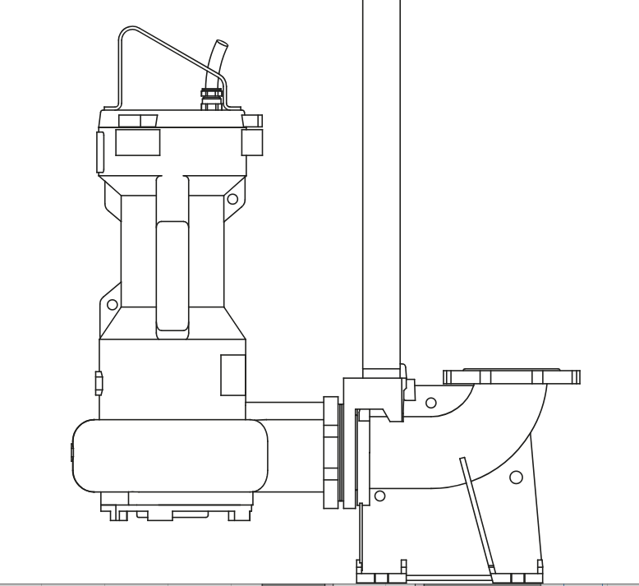
 |  | Pump discharge nozzle (DN2) |  |  |  | DN80

 |  | Switching frequency of the pump from data sheet "Z" [h-1] |  |  |  | 30

 |  | The volume flowQP from the
 |  | Enter pump data sheet [m3/h] |  |  |  | 40
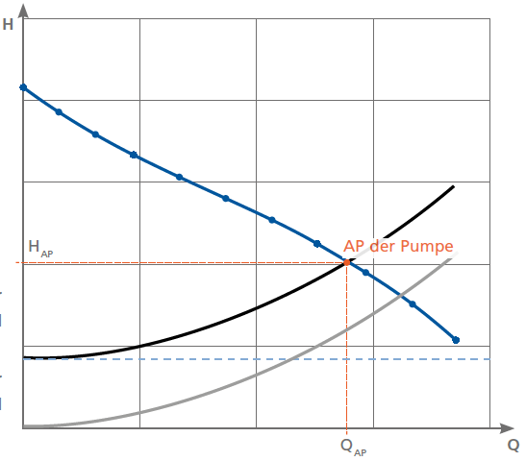

DN2
Q_{P}
Lowest switch-off point in automatic mode

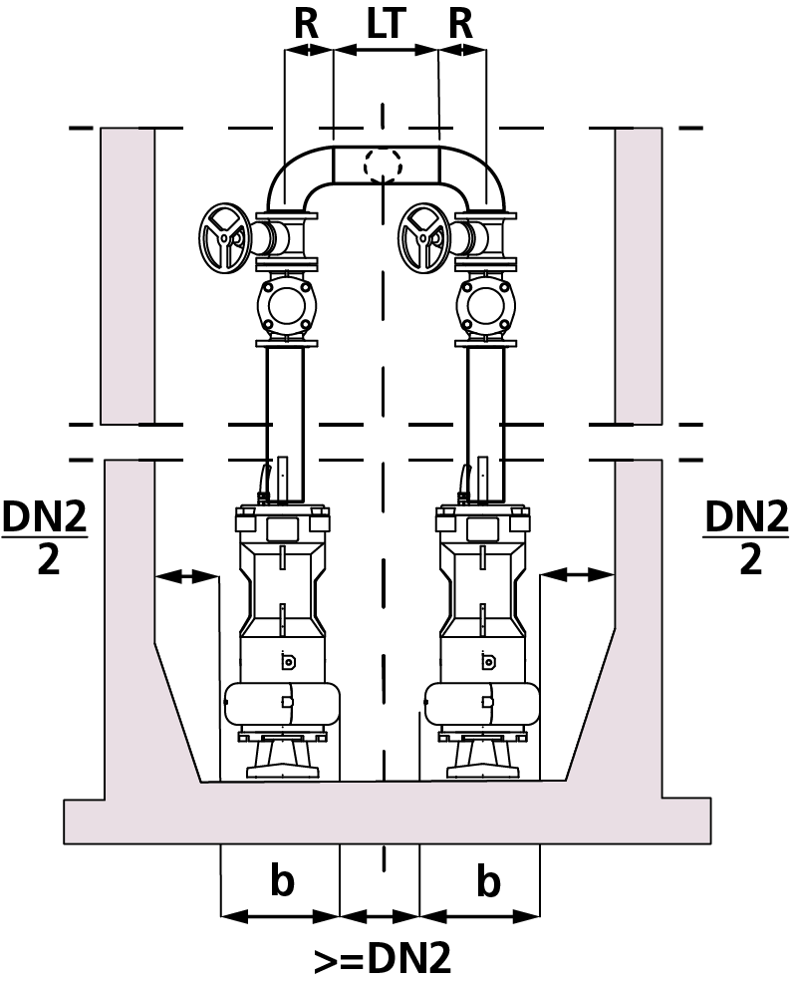

 |  |  | Minimum shaft diameter [mm] |  |  | 1500

 |  |  | If LT is knowen [mm] |  |  | 0

 |  |  | If R is knowen [mm] |  |  | 0

 |  |  | choosen shaft diameter [mm] |  |  | 1500

Useful volume for replacing the pipe contents [l] |  |  |  |  |  | 820

Required switching volume at 1 x 100% (e.g. reserve pump operation) [l] |  |  |  |  |  | 333

Required switching volume at 2 x 50% (e.g. peak load pump operation) [l]

Shaft planning (principle sketch)

Select supply line |  | Plastic PE-HD DIN 8077 PN16 |  |  | DN150
 |  | Outer diameterda [mm] |  |  | 200.0
1
1
1
 |  |  |  | NN [m] |  | 0.00
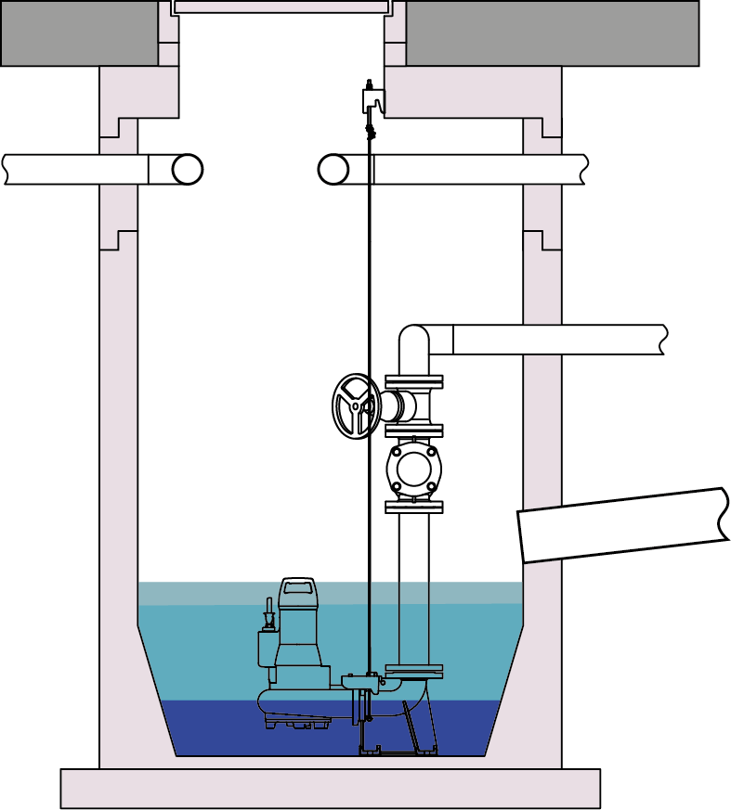
h_{Frostschutz} [m]
2
2
 |  |  |  | hFrost protection[m] |  | 0.8
 |  |  |  | NN [m] |  | -0.80
h_{In flow} [m]
 |  |  |  | hFittings&bends [m]
 |  |  |  | hFittings&bends [m] |  | 0.92
2
_{hFittings&bends} [m]
3
3
 |  |  |  | NN [m] |  | -1.72
 |  |  |  | hInflow min. [m] |  | -1.92
 |  |  |  | hInflow [m] |  | 2
3
4
4
 |  |  |  | NN [m] |  | -2.00
4
 |  |  |  | hReserve volume[m] |  | 0.10
h_{Reservevolume} [m]
 |  |  |  | Reserve volume [l] |  | 177
5
h_{Nuzvolumen} [m]
5
5
 |  |  |  | NN [m] |  | -2.10
6
 |  |  |  | hNuz volume[m] |  | 0.46
6
6
 |  |  |  | NN [m] |  | -2.56
7
7
7
 |  |  |  | NN [m] |  | -3.06

The foundation thickness for pumps with connection bends can be found in the pump data sheets.

1
NN [m] | Top of terrain

2
NN [m] | Frost protection depth or upper edge of the pressure pipe

3
NN [m] | Bottom edge of the fittings

4
NN [m] | Lower edge of the lowest inlet pipe can be used as an alarm switching point

5
NN [m] | Switch point pump on for the useful volume or switch point off peak load pump
 | the point is preset with a height h reserve of 0.1 m

6
NN [m] | Lowest switch-off point in automatic mode (S3) of the pumps

7
NN [m] | Shaft bottom

