Q-Wastewater
$$Q_{tot}=Q_{WW}+Q_{c}+Q_{P}$$
Project |  |  |  |  | 2023-08-08
Location
Calculation according to DIN EN 12056-4 (01/2001); DIN EN 12056-2 (01/2001)

Qtot [l/s] | Totalflow rate
QWW [l/s] | Wastewater flow
QC [l/s] | Continuous flow
$$Q_{WW}=K⋅\sqrt{DU}$$
QP [l/s] | Pumped water flow rate

Drainage item System I DIN EN 12056-2 |  |  |  | Quantity | DU [l/s] | Nominal diameter | Total [l/s]

Wash basin, bidet 0.5 |  |  |  |  | 0.5 | DN 40
Shower without plug 0.6 DN 50 |  |  |  |  | 0.6 | DN 50
Shower with plug 0.8 DN 50 |  |  |  | 10 | 0.8 | DN 50 | 8
Single urinal with cistern 0.8 DN 50 |  |  |  |  | 0.8 | DN 50
Single urinal withflushin valve 0.5 DN 50 |  |  |  |  | 0.5 | DN 50
Slab urinal 0.2 DN 50 |  |  |  |  | 0.2 | DN 50
Urinal without flushing 0.1 DN 50 |  |  |  |  | 0.1 | DN 50
Bathtub 0.8 DN 50 |  |  |  |  | 0.8 | DN 50
Kitchen sink and dishwasher with common trap 0.8 DN 50 |  |  |  | 10 | 0.8 | DN 50 | 8

Kitchen sink, sink 0.8 DN 50 |  |  |  |  | 0.8 | DN 50
Dishwasher 0.8 DN 50 |  |  |  |  | 0.8 | DN 50
Washing machine up to 8 kg 0.8 DN 50 |  |  |  |  | 0.8 | DN 50
Washing machine up to 12 kg 1.5 DN 56/60 |  |  |  | 10 | 1.5 | DN 56/60 | 15
WC with 4,0/4,5 l cistern 1,8 DN 80/DN 90 |  |  |  |  | 1.8 | DN 80/90
WC with 6.0 l cistern/pressure flush 2.0 DN 80 to DN 100 |  |  |  |  | 2.0 | DN 80 / DN 100

WC with 7.5 l cistern/pressure flush 2.0 see note |  |  |  |  | 2.0 | See annotation

WC with 9.0 l cistern/pressure flush 2.5 DN 100 |  |  |  |  | 2.5 | DN 100
Floor gully DN 50 0.8 DN 50 |  |  |  |  | 0.8 | DN 50
Floor gully DN 70 1.5 DN 70 |  |  |  |  | 1.5 | DN 70
Floor gully DN 100 2.0 DN 100 |  |  |  |  | 2.0 | DN 100
NOTE Closets with 7.5 l flushes are not common in the scope of this standard. For this reason, no nominal size for the individual connection pipe has been assigned to the drainage object in the table. For lavatory systems with pressure flushers, the same connection values can be used as for systems with cisterns. Due to current developments, design rules for lavatory systems with 4.0 l to 4.5 l flushing water volume have been included in System I. Tests have shown that lavatory systems suitable for 4.0 l to 4.5 l and for 6 l flushing water volumes can be connected with nominal diameters DN 80 (di,min = 75 mm) or DN 90 (di,min = 79 mm).

 |  |  |  |  | Total | 31 | [l/s]

Select building type and use |  |  |  |  |  | K
Frequent use e. g. in Hospital, School, Restaurand, Hotel |  |  |  |  |  | 0.7

 |  |  |  |  | QWW | 3.90 | [l/s]

If the value of the calculated wastewater discharge Qww is lower than the connection value DU of the largest connected individual drainage object, its DU value shall apply.

Connection value of the largest drainage object |  |  |  |  | QDU | 1 | [l/s]
$$Q_{c}$$
 | QC [l/s] | Continuous flow
 |  | e.g. condensate from condensing boilers; steam boiler systems; refrigeration systems

Length of drainage in [m] |  | 1 |  |  | QCDrainage | 0.01 | [l/s] | 0.01
Liters per m length |  | 20 | [l/m*h] | 20 [l/m*h] Empirical value

Condensate 1 |  | 1 | [l/s] |  | QC1 | 1.00 | [l/s] | 1.0000

Light liquid separator. |  | 1 | [l/s] |  | QC2 | 1.00 | [l/s] | 1.0000

Grease trap |  | 1 | [l/s] |  | QC3 | 1.00 | [l/s] | 1.0000

$$Q_{P}$$
 | [l/s] | Pumped water flow rate
 |  | from other lifting units

Pump 1 |  | 1 | [l/s] |  | QP1 | 1.00 | [l/s] | 1

Pump 2 |  | 1 | [l/s] |  | QP2 | 1.00 | [l/s] | 1

Pump 3 |  | 1 | [l/s] |  | QP3 | 1.00 | [l/s] | 1
$$Q_{tot}$$
 |  |  |  |  |  | 9.90 | [l/s]

 |  |  |  |  |  | 35.65 | [m3/h]

H-Pump-shaft
 |  |  | Project |  |  |  |  | 2023-08-08
 |  |  | Location
 |  |  | Head calculation DIN EN12056-4 (01/2001)

 |  |  | Flow generally Q tot [m3/h] |  |  |  | 20

 |  |  | Select piping material |  |  | Select nominal size
 |  |  | Plastic PE-HD DIN EN 12201-2 PN10 |  |  | DN100 |  |  | Velocity [m/s]
 |  |  |  |  |  |  |  |  | 0,7 - 2,3
 |  |  | Inside diameter di [mm] |  |  | Outside diameter da [mm] |  |  | Flow velocity [m/s]
 |  |  | 96.8 |  |  | 110.0 |  |  | 0.8

 |  |  | Pressure loss in meters per meter of pipeline [m/m]. |  |  |  |  |  |  | 0.008

 |  |  | Lenght of discharge pipework to backflow loop [m] |  |  |  |  |  |  | 22

 |  |  | Friction losses in the discharge pipework |  |  |  |  |  | HV,R[m] | 0.18

 |  |  | Resistance factors for valves and fittings
 |  |  | Type of resistance |  |  |  | ζ | quantity | Σζ | HV,A[m]
 |  |  | Shut-off valve1 |  |  |  | 0.3 | 1 | 0.3 | 0.01
 |  |  | Non-return valve1 |  |  |  | 2.2 | 1 | 2.2 | 0.06
 |  |  | Bend 90° |  |  |  | 0.5 | 4 | 2 | 0.06
 |  |  | Bend 45° |  |  |  | 0.3 |  | 0 | 0.00
 |  |  | Free Outlow |  |  |  | 1 | 1 | 1 | 0.03
 |  |  | T-Piece 45° passage in case of flow merging |  |  |  | 0.3 |  | 0 | 0.00
 |  |  | T-Piece 90° passage in case of flow merging |  |  |  | 0.5 |  | 0 | 0.00
 |  |  | T-Piece 45° branch in case of flow merging |  |  |  | 0.6 |  | 0 | 0.00
 |  |  | T-Piece 90° branch in case of flow merging |  |  |  | 1 |  | 0 | 0.00
 |  |  | T-Piece 90° in case of opposite direction |  |  |  | 1.3 |  | 0 | 0.00
 |  |  | Increase in diameter |  |  |  | 0.3 |  | 0 | 0.00
 |  |  |  |  |  |  |  |  | 0 | 0.00
 |  |  |  |  |  |  |  |  | 0 | 0.00
 |  |  | 1 Specifications provided by the manufacturer should be preferred
 |  |  |  |  |  |  |  | Σζ | 5.5
 |  |  | Loss in valves and fittings |  |  |  |  |  | ΣHV,A[m] | 0.16

$$H_{V}=H_{V,R}+H_{V,A}$$
 |  |  | Dynamic pressure losses |  |  |  |  |  | HV [m] | 0.34
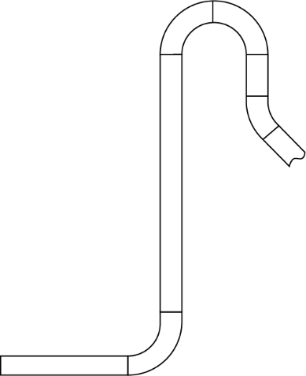

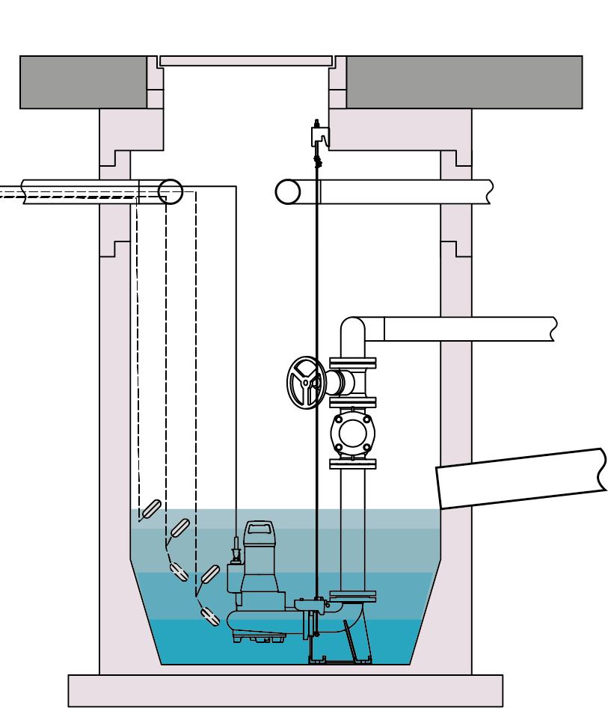

 |  |  |  |  |  |  |  | Geodetic height

 |  |  |  |  |  |  |  |  | Hgeo [m] | 6

$$H_{tot}=H_{V}+H_{geo}$$
 |  |  | Total Head |  |  |  |  |  | Htot[m] | 6.34

 |  |  | Pump shaft planning (first select the Pump(s) and fill in the gry fields form the Datasheets)

 |  |  | Number of pumps |  |  |  |  |  |  | 1
 |  |  | Single pump operation or reserve pump operation (2 x 100%) |  |  |  |  |  |  | x
 |  |  | Peak load operation (2 x 50%) |  |  |  |  |  |  | -

 |  |  | Pressure line the information is from the calculation above |  |  |  |  | Plastic PE-HD DIN EN 12201-2 PN10 |  | DN100
 |  |  |  |  |  |  |  | Outside diameter da [mm] |  | 110.0

 |  |  | Dimensions and data from the pump data sheets
Pump width
 |  |  |  |  |  | Pump width [mm] |  |  |  | 250

 |  |  |  |  |  | Lowest switch-off point in automatic mode [mm] |  |  |  | 200
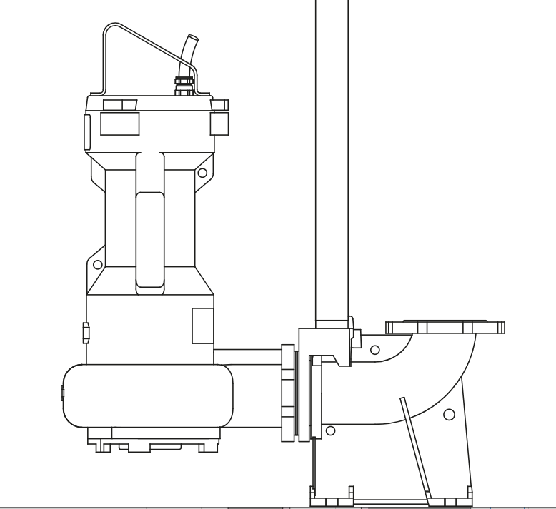
 |  |  |  |  |  | Pump discharge port (DN2) |  |  |  | DN50

 |  |  |  |  |  | Switching frequency of the pump from data sheet "Z" [h-1] |  |  |  | 20

 |  |  |  |  |  | The volume flow QP from the
 |  |  |  |  |  | pump data sheet [m3/h] |  |  |  | 25
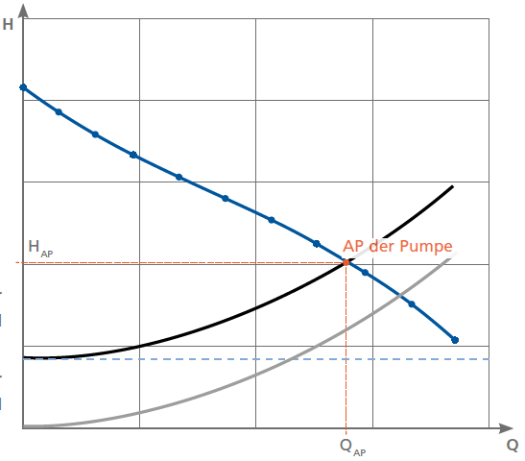

DN2
Q_{P}
Lowest switch-off point in automatic mode

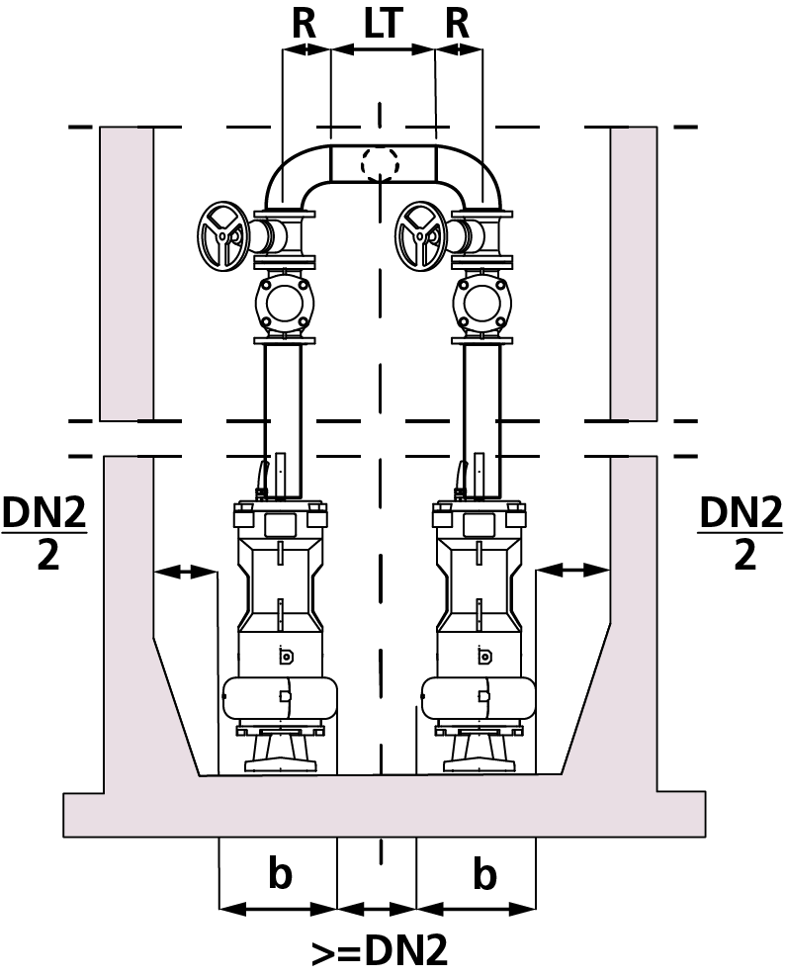

 |  |  |  |  |  |  | Minimum shaft diameter [mm] |  |  | 800

 |  |  |  |  |  |  | If LT known [mm] |  |  | 0

 |  |  |  |  |  |  | If R known [mm] |  |  | 0

 |  |  |  |  |  |  | Selected shaft diameter [mm] |  |  | 800

$$Rⅇ=\frac{v⋅d}{ν}$$
 |  |  | Useful volume for replacing the pipe contents [l] |  |  |  |  |  |  | 162

 |  |  | Required switching volume at 1 x 100% (e.g. standby pump operation) [l] |  |  |  |  |  |  | 313 | v [m/s] | λ
 | Re | 55938 |  |  |  |  |  |  |  |  | 0 | 0.0275
 |  |  | Required switching volume at 2 x 50% (e.g. peak-load pump operation) [l]
 | Iterationstabelle Lamda
 | Lambda | Formel 1 | Shaft planning (principle sketch)
 | 0.1 | 3.1622776602
 | 0.0995 | 3.1702131247 | Select feed line |  |  | Plastic PE-HD DIN EN 12201-2 PN10 |  |  | DN100
 | 0.099 | 3.1782086308 |  |  |  | Outside diameter da [mm] |  |  | 110.0
1
 | 0.0985 | 3.1862649394
1
 | 0.098 | 3.194382825 |  |  |  |  |  | NN [m] |  | 0.00
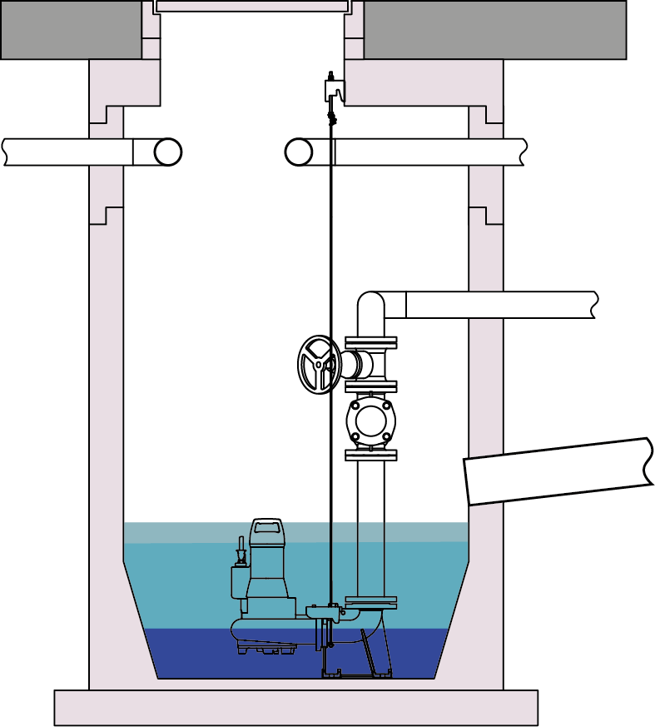
 | 0.0975 | 3.2025630761
h_{Frost} _{protect} [m]
 | 0.097 | 3.2108064953 |  |  |  |  |  | hFrost protect [m] |  | 0.8
2
 | 0.0965 | 3.2191138999 |  |  |  |  |  | NN [m] |  | -0.8
h_{Inlet} [m]
 | 0.096 | 3.2274861218
 | 0.0955 | 3.2359240085 |  |  |  |  |  | hValves&Blends [m]
 | 0.095 | 3.2444284226 |  |  |  |  |  | hValves&Blends [m] |  | 0.90
2
 | 0.0945 | 3.2530002432
h_{Valves&Blends} [m]
3
 | 0.094 | 3.2616403653 |  |  |  |  |  | NN [m] |  | -1.70
 | 0.0935 | 3.2703497008 |  |  |  |  |  | hInlet min. [m] |  | 1.81
 |  |  |  |  |  |  |  | hInlet [m] |  | 2
3
4
 |  |  |  |  |  |  |  | NN [m] |  | -2.00
4
 |  |  |  |  |  |  |  | hReserve volume [m] |  | 0.10
h_{Reserve} _{volume} [m]
 |  |  |  |  |  |  |  | Reserve volume [l] |  | 50
5
h_{Usful} _{volume} [m]
5
 |  |  |  |  |  |  |  | NN [m] |  | -2.10
6
 |  |  |  |  |  |  |  | hUseful volumen [m] |  | 0.62
6
 |  |  |  |  |  |  |  | NN [m] |  | -2.82
7
7
 |  |  |  |  |  |  |  | NN [m] |  | -3.02

 |  |  |  |  |  |  |  |  |  |  | 0 | 0
 |  |  | The foundation thickness for pumps with connection elbows can be found in the pump data sheets. |  |  |  |  |  |  |  | 0 | 0
 |  |  |  |  |  |  |  |  |  |  | 0 | 0
 |  |  |  |  |  |  |  |  |  |  | 0 | 0
1
 |  |  | NN [m] | Ground level |  |  |  |  |  |  | 0 | 0
 |  |  |  |  |  |  |  |  |  |  | 0 | 0
2
 |  |  | NN [m] | Frost protection depth or upper edge of the pressure line |  |  |  |  |  |  | 0 | 0

3
 |  |  | NN [m] | lower edge of the valves

4
 |  |  | NN [m] | The lower edge of the deepest inlet pipe can be used as an alarm switching point

5
 |  |  | NN [m] | Switching point pump on for the usable volume or switching point off peak-load pump
 |  |  |  | the point is preassigned a height hreserve of 0,1 m

6
 |  |  | NN [m] | Lowest switch-off point in automatic mode (S3) of the pumps

7
 |  |  | NN [m] | Shaft bottom

$$Rⅇ=\frac{v⋅d}{ν}$$
$$\frac{1}{\sqrt{λ}}=−2lg\left[\frac{2,51}{R_{e}⋅\sqrt{λ}}+\frac{k}{d}⋅0,269\right]$$
 |  |  |  |  |  |  |  | Anlagenkennlinie
 |  |  |  |  |  |  |  | Q [m3/h] | Htot [m] | Hgeo [m] | HV [m] | v [m/s]
Re | 55938 |  | k/d Abwasser |  |  |  |  | 0.00 | 6.0 | 6.00 | 0.00 | 0
 |  |  | 0.0025826446281 |  |  |  |  | 18.54 | 6.3 | 6.00 | 0.29 | 0.7
Iterationstabelle Lamda |  |  |  | Lambda | 0.0275 |  |  | 21.18 | 6.4 | 6.00 | 0.38 | 0.8
Lambda | Formel 1 | Formel 2 | Differenz |  |  |  |  | 23.83 | 6.5 | 6.00 | 0.49 | 0.9
0.1 | 3.1622776602 | 6.1549369549 | 2.993 |  |  |  |  | 26.48 | 6.6 | 6.00 | 0.60 | 1
0.0995 | 3.1702131247 | 6.154567357 | 2.984 |  |  |  |  | 29.13 | 6.7 | 6.00 | 0.72 | 1.1
0.099 | 3.1782086308 | 6.1541951215 | 2.976 |  |  |  |  | 31.78 | 6.9 | 6.00 | 0.86 | 1.2
0.0985 | 3.1862649394 | 6.1538202167 | 2.968 |  |  |  |  | 34.42 | 7.0 | 6.00 | 1.01 | 1.3
0.098 | 3.194382825 | 6.1534426099 | 2.959 |  |  |  |  | 37.07 | 7.2 | 6.00 | 1.17 | 1.4
0.0975 | 3.2025630761 | 6.1530622682 | 2.95 |  |  |  |  | 39.72 | 7.3 | 6.00 | 1.35 | 1.5
0.097 | 3.2108064953 | 6.1526791579 | 2.942 |  |  |  |  | 42.37 | 7.5 | 6.00 | 1.53 | 1.6
0.0965 | 3.2191138999 | 6.1522932447 | 2.933 |  |  |  |  | 45.02 | 7.7 | 6.00 | 1.73 | 1.7
0.096 | 3.2274861218 | 6.1519044939 | 2.924 |  |  |  |  | 47.66 | 7.9 | 6.00 | 1.94 | 1.8
0.0955 | 3.2359240085 | 6.15151287 | 2.916 |  |  |  |  | 50.31 | 8.2 | 6.00 | 2.16 | 1.9
0.095 | 3.2444284226 | 6.151118337 | 2.907 |  |  |  |  | 52.96 | 8.4 | 6.00 | 2.40 | 2
0.0945 | 3.2530002432 | 6.1507208582 | 2.898 |  |  |  |  | 55.61 | 8.6 | 6.00 | 2.64 | 2.1
0.094 | 3.2616403653 | 6.1503203962 | 2.889 |  |  |  |  | 58.26 | 8.9 | 6.00 | 2.90 | 2.2
0.0935 | 3.2703497008 | 6.1499169129 | 2.88 |  |  |  |  | 60.90 | 9.2 | 6.00 | 3.17 | 2.3
0.093 | 3.2791291789 | 6.1495103698 | 2.87
0.0925 | 3.2879797461 | 6.1491007273 | 2.861
0.092 | 3.296902367 | 6.1486879453 | 2.852
0.0915 | 3.3058980245 | 6.148271983 | 2.842
0.091 | 3.3149677207 | 6.1478527986 | 2.833
0.0905 | 3.3241124766 | 6.1474303498 | 2.823
0.09 | 3.3333333333 | 6.1470045935 | 2.814
0.0895 | 3.3426313523 | 6.1465754855 | 2.804
0.089 | 3.3520076158 | 6.1461429811 | 2.794
0.0885 | 3.3614632273 | 6.1457070345 | 2.784
0.088 | 3.3709993123 | 6.1452675993 | 2.774
0.0875 | 3.3806170189 | 6.1448246278 | 2.764
0.087 | 3.3903175181 | 6.1443780719 | 2.754
0.0865 | 3.4001020046 | 6.1439278821 | 2.744
0.086 | 3.4099716974 | 6.1434740082 | 2.734
0.0855 | 3.4199278403 | 6.1430163988 | 2.723
0.085 | 3.4299717029 | 6.1425550019 | 2.713
0.0845 | 3.4401045808 | 6.1420897639 | 2.702
0.084 | 3.4503277967 | 6.1416206306 | 2.691
0.0835 | 3.460642701 | 6.1411475465 | 2.681 |  |  | Betriebspunkt
0.083 | 3.4710506725 | 6.1406704549 | 2.67 |  |  | Q | Htot
0.0825 | 3.4815531191 | 6.1401892982 | 2.659 |  |  | 20.0 | 6.34
0.082 | 3.4921514788 | 6.1397040174 | 2.648
0.0815 | 3.5028472205 | 6.1392145524 | 2.636
0.081 | 3.5136418446 | 6.1387208417 | 2.625
0.0805 | 3.5245368843 | 6.1382228228 | 2.614
0.08 | 3.5355339059 | 6.1377204316 | 2.602
0.0795 | 3.5466345107 | 6.1372136028 | 2.591
0.079 | 3.5578403348 | 6.1367022697 | 2.579
0.0785 | 3.5691530512 | 6.1361863642 | 2.567
0.078 | 3.5805743702 | 6.1356658166 | 2.555
0.0775 | 3.5921060405 | 6.1351405558 | 2.543
0.077 | 3.6037498508 | 6.1346105093 | 2.531
0.0765 | 3.6155076303 | 6.1340756027 | 2.519
0.076 | 3.6273812506 | 6.1335357601 | 2.506
0.0755 | 3.6393726262 | 6.132990904 | 2.494
0.075 | 3.6514837167 | 6.1324409551 | 2.481
0.0745 | 3.6637165272 | 6.1318858323 | 2.468
0.074 | 3.6760731105 | 6.1313254527 | 2.455
0.0735 | 3.6885555678 | 6.1307597314 | 2.442
0.073 | 3.701166051 | 6.1301885817 | 2.429
0.0725 | 3.7139067635 | 6.1296119149 | 2.416
0.072 | 3.7267799625 | 6.1290296401 | 2.402
0.0715 | 3.73978796 | 6.1284416644 | 2.389
0.071 | 3.7529331252 | 6.1278478926 | 2.375
0.0705 | 3.7662178858 | 6.1272482273 | 2.361
0.07 | 3.7796447301 | 6.1266425689 | 2.347
0.0695 | 3.7932162091 | 6.1260308151 | 2.333
0.069 | 3.8069349381 | 6.1254128614 | 2.318
0.0685 | 3.8208035995 | 6.1247886007 | 2.304
0.068 | 3.8348249442 | 6.124157923 | 2.289
0.0675 | 3.8490017946 | 6.123520716 | 2.275
0.067 | 3.8633370464 | 6.1228768643 | 2.26
0.0665 | 3.8778336716 | 6.1222262497 | 2.244
0.066 | 3.8924947208 | 6.121568751 | 2.229
0.0655 | 3.9073233258 | 6.1209042438 | 2.214
0.065 | 3.9223227028 | 6.1202326007 | 2.198
0.0645 | 3.9374961548 | 6.1195536909 | 2.182
0.064 | 3.9528470752 | 6.1188673801 | 2.166
0.0635 | 3.9683789507 | 6.1181735307 | 2.15
0.063 | 3.9840953644 | 6.1174720011 | 2.133
0.0625 | 4 | 6.1167626463 | 2.117
0.062 | 4.0160966445 | 6.1160453172 | 2.1
0.0615 | 4.0323891927 | 6.1153198606 | 2.083
0.061 | 4.0488816509 | 6.1145861192 | 2.066
0.0605 | 4.0655781409 | 6.1138439314 | 2.048
0.06 | 4.0824829046 | 6.113093131 | 2.031
0.0595 | 4.0996003085 | 6.1123335473 | 2.013
0.059 | 4.116934848 | 6.1115650044 | 1.995
0.0585 | 4.134491153 | 6.1107873219 | 1.976
0.058 | 4.1522739927 | 6.110000314 | 1.958
0.0575 | 4.1702882811 | 6.1092037892 | 1.939
0.057 | 4.1885390829 | 6.108397551 | 1.92
0.0565 | 4.2070316191 | 6.1075813966 | 1.901
0.056 | 4.2257712736 | 6.1067551174 | 1.881
0.0555 | 4.2447635998 | 6.1059184984 | 1.861
0.055 | 4.2640143271 | 6.1050713184 | 1.841
0.0545 | 4.2835293688 | 6.1042133491 | 1.821
0.054 | 4.3033148291 | 6.1033443552 | 1.8
0.0535 | 4.3233770117 | 6.1024640943 | 1.779
0.053 | 4.3437224276 | 6.1015723162 | 1.758
0.0525 | 4.3643578047 | 6.1006687629 | 1.736
0.052 | 4.3852900965 | 6.099753168 | 1.714
0.0515 | 4.4065264924 | 6.0988252565 | 1.692
0.051 | 4.4280744277 | 6.0978847447 | 1.67
0.0505 | 4.4499415949 | 6.0969313391 | 1.647
0.05 | 4.472135955 | 6.095964737 | 1.624
0.0495 | 4.4946657498 | 6.094984625 | 1.6
0.049 | 4.5175395145 | 6.0939906795 | 1.576
0.0485 | 4.5407660919 | 6.0929825655 | 1.552
0.048 | 4.5643546459 | 6.0919599366 | 1.528
0.0475 | 4.5883146774 | 6.0909224343 | 1.503
0.047 | 4.6126560401 | 6.0898696872 | 1.477
0.0465 | 4.6373889576 | 6.088801311 | 1.451
0.046 | 4.6625240412 | 6.0877169073 | 1.425
0.0455 | 4.6880723094 | 6.0866160632 | 1.399
0.045 | 4.7140452079 | 6.0854983507 | 1.371
0.0445 | 4.7404546314 | 6.0843633256 | 1.344
0.044 | 4.7673129462 | 6.0832105273 | 1.316
0.0435 | 4.7946330149 | 6.0820394775 | 1.287
0.043 | 4.8224282217 | 6.0808496793 | 1.258
0.0425 | 4.8507125007 | 6.0796406167 | 1.229
0.042 | 4.8795003647 | 6.0784117532 | 1.199
0.0415 | 4.9088069367 | 6.077162531 | 1.168
0.041 | 4.9386479832 | 6.0758923698 | 1.137
0.0405 | 4.96903995 | 6.0746006653 | 1.106
0.04 | 5 | 6.0732867886 | 1.073
0.0395 | 5.0315460543 | 6.0719500843 | 1.04
0.039 | 5.0636968354 | 6.0705898691 | 1.007
0.0385 | 5.0964719144 | 6.0692054306 | 0.973
0.038 | 5.1298917604 | 6.0677960253 | 0.938
0.0375 | 5.1639777949 | 6.066360877 | 0.902
0.037 | 5.1987524491 | 6.0648991748 | 0.866
0.0365 | 5.2342392259 | 6.063410071 | 0.829
0.036 | 5.2704627669 | 6.0618926795 | 0.791
0.0355 | 5.3074489243 | 6.0603460724 | 0.753
0.035 | 5.3452248382 | 6.0587692787 | 0.714
0.0345 | 5.3838190206 | 6.0571612805 | 0.673
0.034 | 5.4232614455 | 6.0555210108 | 0.632
0.0335 | 5.4635836471 | 6.0538473502 | 0.59
0.033 | 5.5048188256 | 6.0521391233 | 0.547
0.0325 | 5.5470019623 | 6.0503950951 | 0.503
0.032 | 5.5901699437 | 6.0486139674 | 0.458
0.0315 | 5.6343616982 | 6.0467943739 | 0.412
0.031 | 5.6796183425 | 6.0449348759 | 0.365
0.0305 | 5.7259833431 | 6.0430339573 | 0.317
0.03 | 5.7735026919 | 6.0410900188 | 0.268
0.0295 | 5.8222250974 | 6.0391013722 | 0.217
0.029 | 5.8722021951 | 6.0370662337 | 0.165
0.0285 | 5.9234887776 | 6.0349827168 | 0.111
0.028 | 5.9761430467 | 6.0328488245 | 0.057
0.0275 | 6.0302268916 | 6.0306624407 | 0
0.027 | 6.0858061945 | 6.028421321 | 0.057
0.0265 | 6.1429511683 | 6.0261230822 | 0.117
0.026 | 6.2017367295 | 6.0237651911 | 0.178
0.0255 | 6.2622429109 | 6.021344952 | 0.241
0.025 | 6.3245553203 | 6.0188594928 | 0.306
0.0245 | 6.38876565 | 6.0163057498 | 0.372
0.024 | 6.4549722437 | 6.0136804509 | 0.441
0.0235 | 6.5232807305 | 6.0109800965 | 0.512
0.023 | 6.593804734 | 6.0082009389 | 0.586
0.0225 | 6.6666666667 | 6.0053389589 | 0.661
0.022 | 6.7419986246 | 6.0023898393 | 0.74
0.0215 | 6.8199433947 | 5.9993489362 | 0.821
0.021 | 6.9006555934 | 5.9962112455 | 0.904
0.0205 | 6.9843029577 | 5.9929713665 | 0.991
0.02 | 7.0710678119 | 5.9896234593 | 1.081
0.0195 | 7.1611487404 | 5.9861611978 | 1.175
0.019 | 7.2547625011 | 5.9825777156 | 1.272
0.0185 | 7.3521462209 | 5.9788655446 | 1.373
0.018 | 7.453559925 | 5.9750165442 | 1.479
0.0175 | 7.5592894602 | 5.9710218213 | 1.588
0.017 | 7.6696498885 | 5.9668716362 | 1.703
0.0165 | 7.7849894416 | 5.9625552958 | 1.822
0.016 | 7.9056941504 | 5.958061028 | 1.948
0.0155 | 8.032193289 | 5.953375836 | 2.079
0.015 | 8.1649658093 | 5.9484853272 | 2.216
0.0145 | 8.3045479854 | 5.9433735115 | 2.361
0.014 | 8.4515425473 | 5.9380225635 | 2.514
0.0135 | 8.6066296582 | 5.9324125376 | 2.674
0.013 | 8.7705801931 | 5.9265210288 | 2.844
0.0125 | 8.94427191 | 5.920322762 | 3.024
0.012 | 9.1287092918 | 5.9137890945 | 3.215
0.0115 | 9.3250480824 | 5.906887408 | 3.418
0.011 | 9.5346258925 | 5.8995803578 | 3.635
0.0105 | 9.7590007295 | 5.8918249405 | 3.867
0.01 | 10 | 5.8835713238 | 4.116
0.0095 | 10.259783521 | 5.8747613617 | 4.385
0.009 | 10.540925534 | 5.8653266906 | 4.676
0.0085 | 10.846522891 | 5.8551862576 | 4.991
0.008 | 11.180339887 | 5.8442430651 | 5.336
0.0075 | 11.547005384 | 5.8323798194 | 5.715
0.007 | 11.952286093 | 5.8194530123 | 6.133

